Sheet1
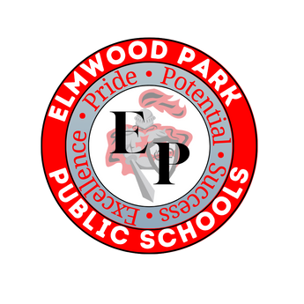
 | 9 | 10 | 11 | 12
English Language Arts (20 credits)
Science (15 credits) Environmental Science, Biology, Chemistry, Physics
Math (15 credits) Algebra I, Algebra II, Geometry
Social Studies (15 credits) World History, US I, US II
Foreign Language (5 credits/1 year)
Financial Literacy (2.5 credits)
Health & PE (5 credits per school year) (PE 3.75 credits) (Health 1.25 credits)
21st Century Life/Careers (5 credits)
Visual & Performing Art (5 credits)
Electives (32.5 credits)
TOTAL | 0 | 0 | 0 | 0 | 0 | * Students need 120 credits to graduate.

*21st Century Life/Career: 21st-Century Research & Technical Writing, Accounting, Business Management, Career Crusaders, Computer Applications, Concepts of Physical Fitness and Wellness, Creative Writing in the 21st Century, Forensic Science, Economics, Entrepreneurship, First Aid and Safety, Introduction to Computer Science, Introduction to Criminal Justice, Introduction to Sports Medicine, Journalism, Marketing, Option 2/CoOp Practical (seniors), Senior Service, Statistics and Analytics in Sports

*Visual and Performing Arts: AP Art and Design, Art I, Art II, Cartooning, Ceramics, Design, Drawing and Watercolor, Instrumental Music/Band, Introduction to Theater Arts, Introduction to Theater Production, Introduction to Multimedia, Music Theory, Theater I, Vocal Performance I, Vocal Performance II

